Sheet2
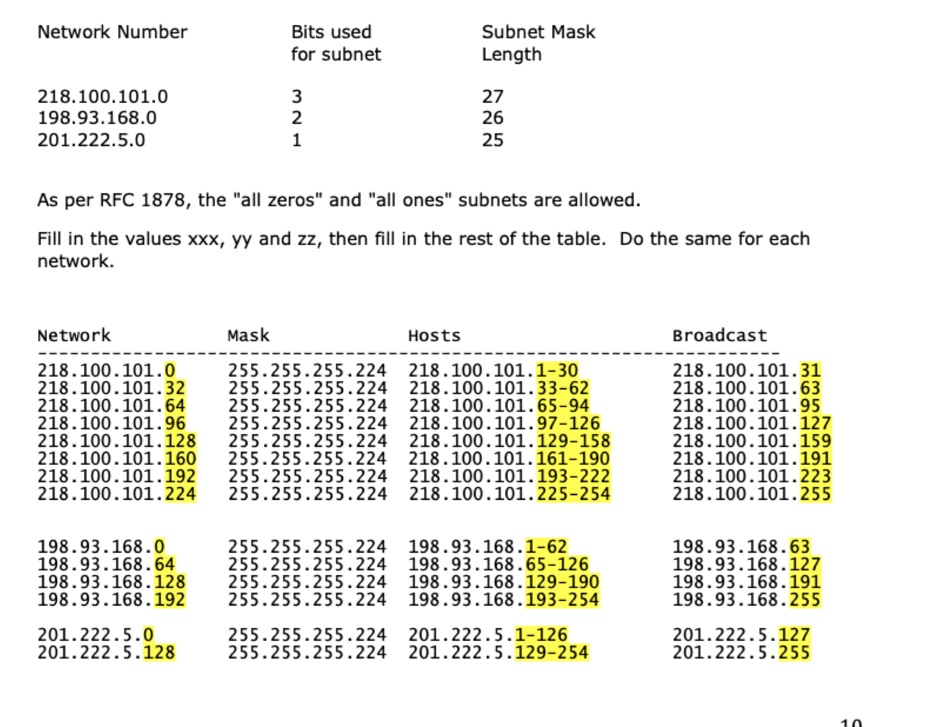
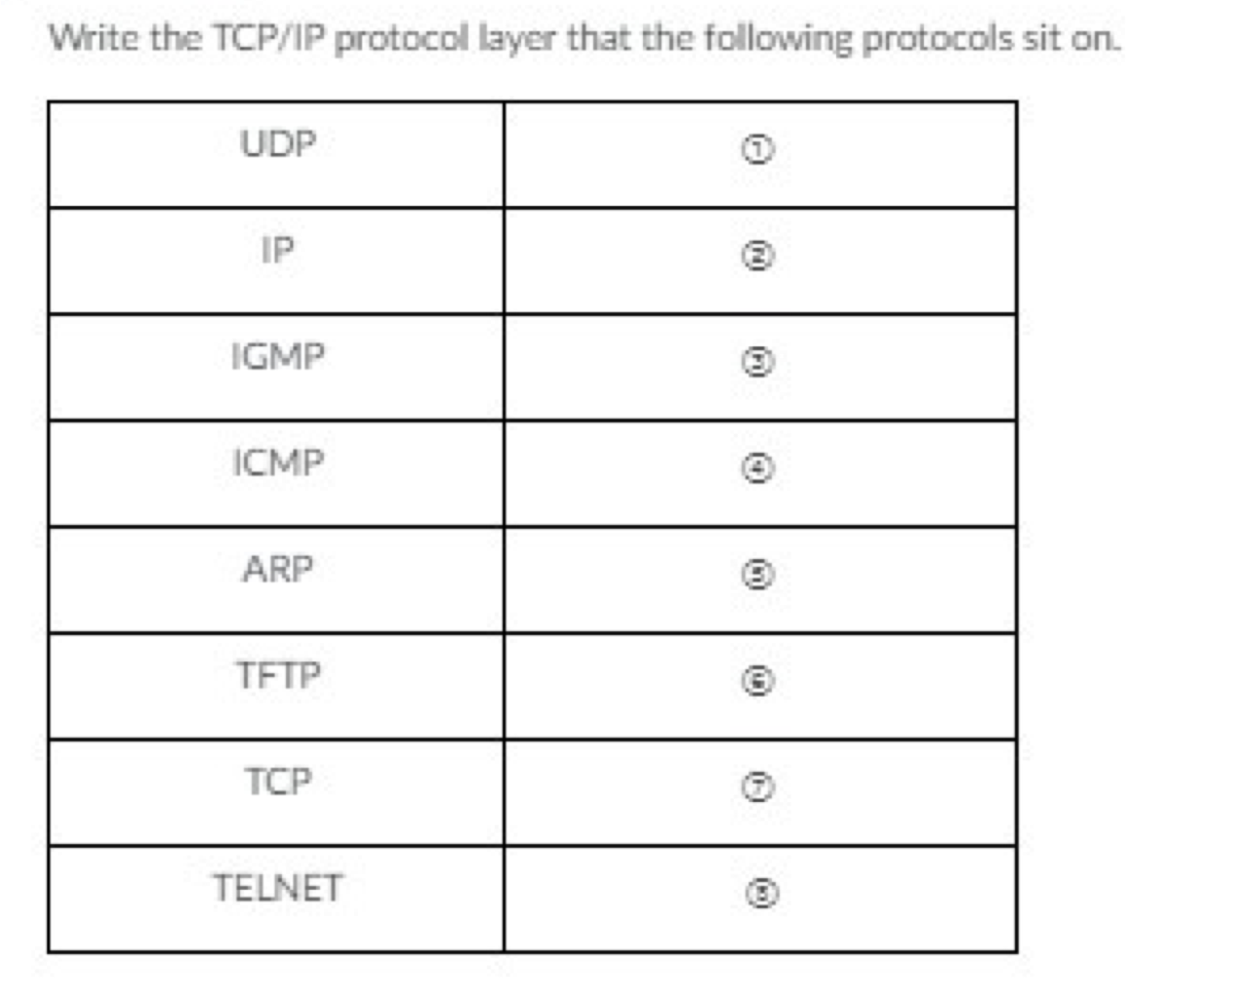
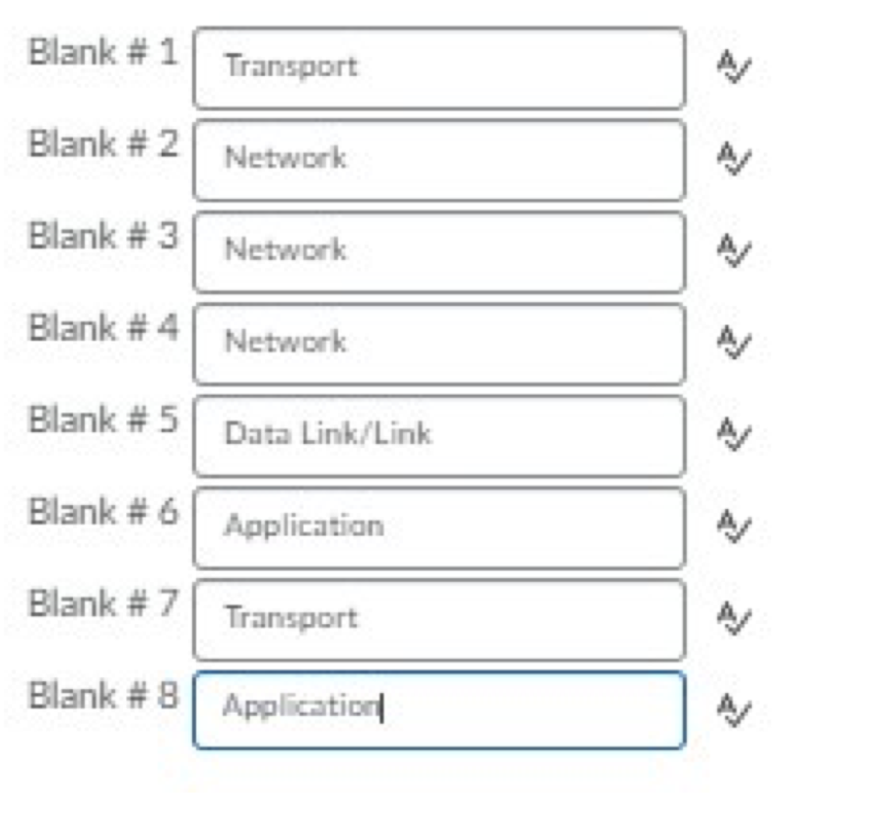
Payload 9 |  | Discard Server

Loop Back | 127.0.0.1 | is always the same
Loop Back MTU is always | 16384

TRACEROUTE | Going >
PING | LEAVING<

ICMP | Time Exeeded in Transit

Calculator
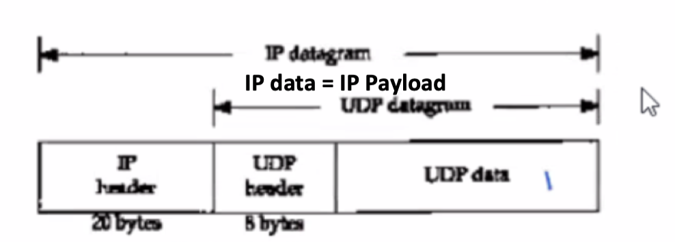
IP Datagram | 1520 | IP DATA +20
IP Data/Payload | 1500
UDP Data /Payload | 1492 | IP DATA- 8
MTU | 999
MOD | 3 | MOD(MTU-20)
Packet 1 | 976
Total Length | 996 | MTU -MOD
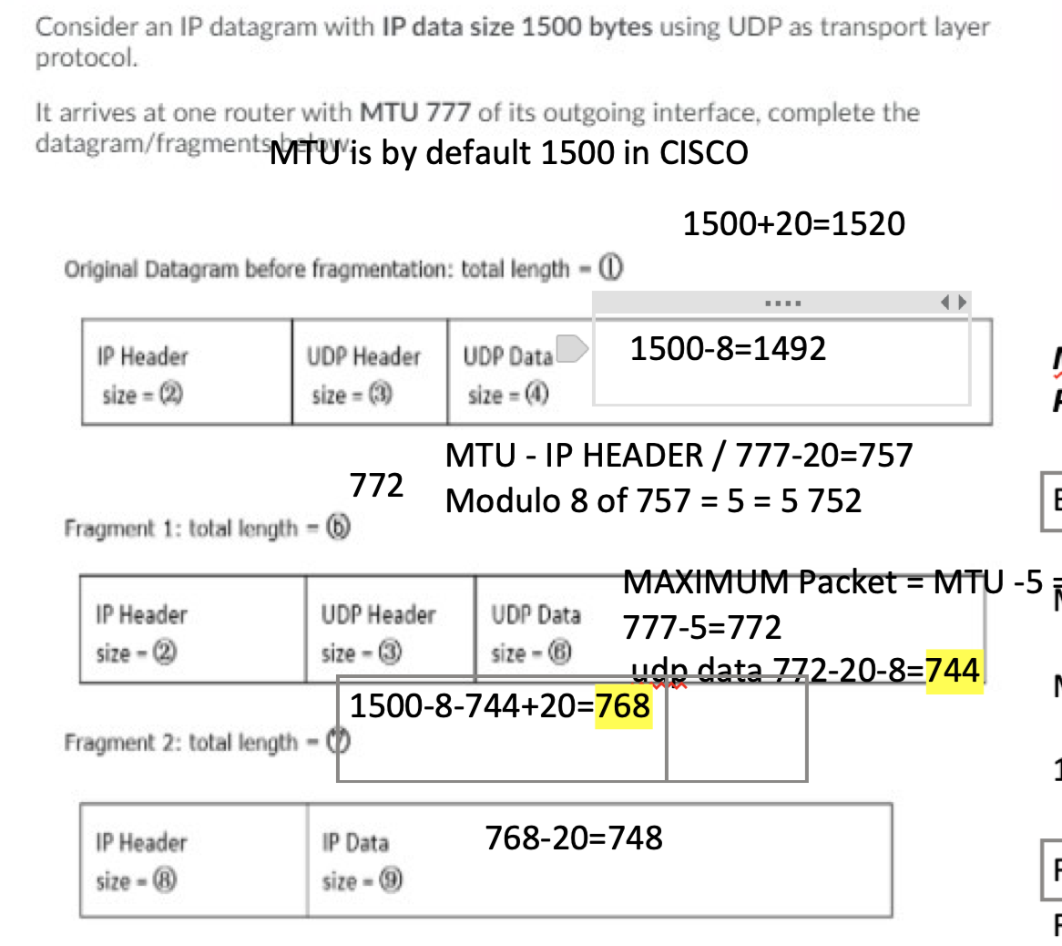
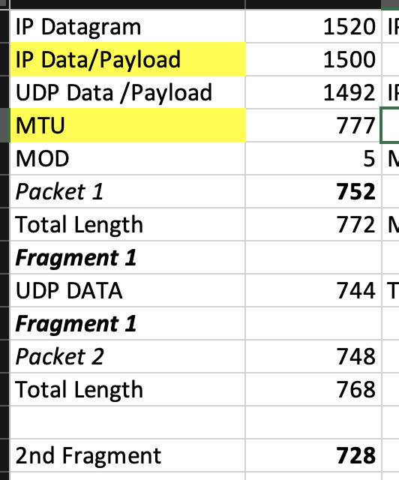
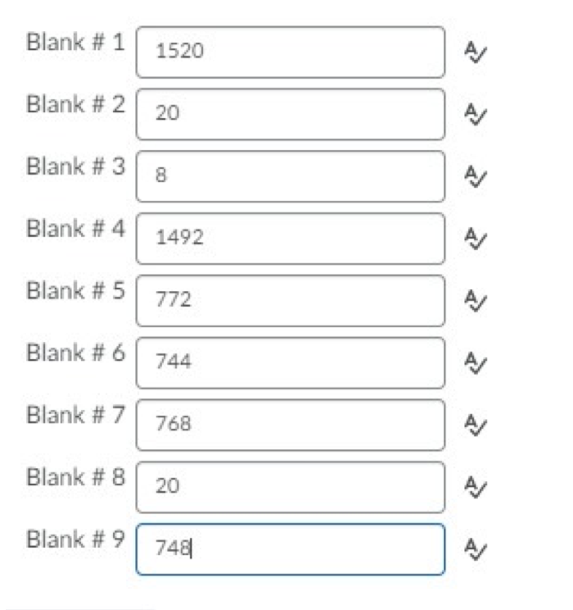
Fragment 1
UDP DATA | 968 | Tot Len -20-8
Fragment 1
Packet 2 | 524
Total Length | 544

2nd Fragment | 504

 |  | 1

IP Datagram
IP Data/Payload
UDP Data /Payload
MTU

